Instructions
Instructions/Explanations

Required: Both the "Configuration Choices" and the "Reseller List" tabs must be completed.

Definitions: - Contractor: this represent your company. - Reseller: represents all situations of a Contractor having Partners, Resellers, Dealers, Stores, etc. that will participate in either providing Quotes or in fulfilling Orders. - Reseller Corporate: used to reflect uncommon situtions where your Resellers have a parent level other than yourself that will be involved with either managing their participation or be involved with order fullfillment. Ignore this if it does not apply to you. Reference this figure to understand the concept of Contractor (you) and the potential structure of your Resellers >>
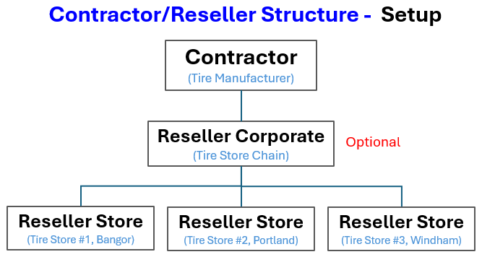
Questions: Email us at emarketplace@rfxpremier.org

Completed Templates: Email to emarketplace@rfxpremier.org

